Sheet1
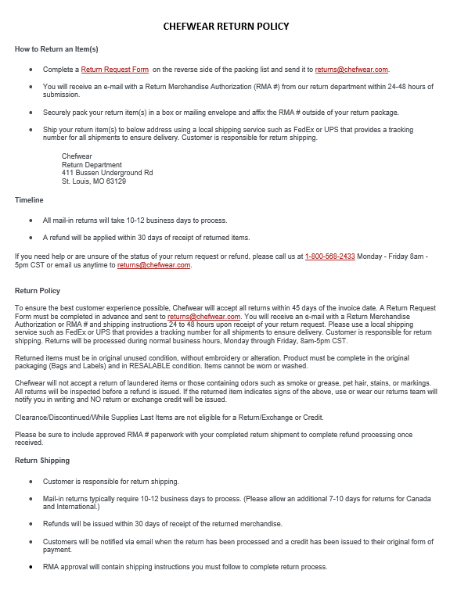
 |  |  | CONTACT TO ORDER
 |  |  | Sherrie Diamond
 |  |  | 662-893-9139
 |  |  | sherrie.diamond@chefwear.com

 |  |  | School Name
 |  |  | Student Name
 |  |  | Home Address
 |  |  | City/State/Zip
 |  |  | Credit Card: Name on Card/Card #/Expiration Date
Order Date:
Qty | Item | Description | Price Ea. | TOTAL
 |  | Unisex Modern Essential Long Sleeve Chef Coat
 | CW4412-CW105 | XS | $27.46 | $-
 | CW4412-CW105 | S | $27.46 | $-
 | CW4412-CW105 | M | $27.46 | $-
 | CW4412-CW105 | L | $27.46 | $-
 | CW4412-CW105 | XL | $27.46 | $-
 | CW4412-CW105 | 2X | $27.46 | $-
 | CW4412-CW105 | OTHER (3X-5X) | $30.66 | $-
 |  | Cool Shield Ankle Pant
 | CW3273-CW30 | XS | $19.96 | $-
 | CW3273-CW30 | S | $19.96 | $-
 | CW3273-CW30 | M | $19.96 | $-
 | CW3273-CW30 | L | $19.96 | $-
 | CW3273-CW30 | XL | $19.96 | $-
 | CW3273-CW30 | 2X | $19.96 | $-
 | CW3273-CW30 | OTHER (3X-5X) | $23.16 | $-
 |  | Hats
 | CW1432-CW30 | Adjustable Mesh Top Skull Cap-One Size | $9.56 | $-
 | CW24043-CW30 | Bouffant Cap-One Size | $10.36 | $-
 |  | Aprons |  | $-
 | CW1650-CW30 | Classic Cotton Bib-One Size | $11.96 | $-
 |  | Front of House |  | $-
 |  | Slim Long Sleeve Carefree Poplin Shirt-MENS |  | $-
 | CW1337-CW105 | S | $25.46 | $-
 | CW1337-CW105 | M | $25.46 | $-
 | CW1337-CW105 | L | $25.46 | $-
 | CW1337-CW105 | XL | $25.46 | $-
 | CW1337-CW105 | 2X | $27.26 | $-
 |  | Slim Long Sleeve Carefree Poplin Shirt-WOMENS |  | $-
 | CW1338-CW105 | XS | $25.46 | $-
 | CW1338-CW105 | S | $25.46 | $-
 | CW1338-CW105 | M | $25.46 | $-
 | CW1338-CW105 | L | $25.46 | $-
 | CW1338-CW105 | XL | $25.46 | $-
 | CW1338-CW105 | 2X | $27.26 | $-
 |  |  | SUBTOTAL | $-
 |  |  | CT Sales Tax 6.35% | $-
 |  |  | Shipping | $11.95
OUR WEAR. YOUR JOURNEY. |  |  | TOTAL | $11.95
CTECS CULINARY UNIFORM
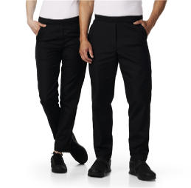

*CHEF COAT CHEF PANTS HATS APRON *FOH-MEN & WOMEN SHIRTS

 | Cost of Logo/Name included in coat/shirt pricing

